SME_CSR
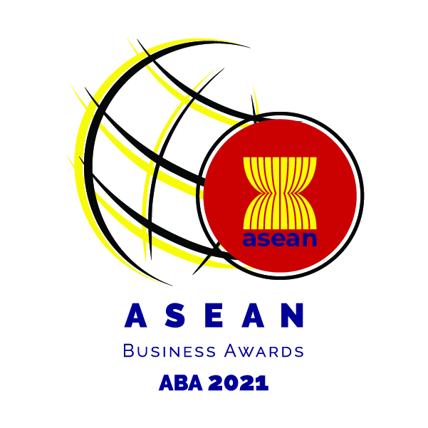

SME-CSR EXCELLENCE AWARDS APPLICATION FORM
Name of Organization |  | : |  |  |  | Date
Organization Address |  | : |  |  |  | Listed: | Non-Listed:
Year of Incorporation |  | :
Country of Incorporation |  | : |  |  |  | Signature:
Website |  | :
Contact person |  | :
Title or Position |  | :
Telephone Number |  | :
E-mail |  | :

Instruction: Kindly provide the required information below and attach the following:
1. | High-resolution company logo of the nominee.
2. | Kindly provide financial information (General Information Sheet, 3-year Audited Financial Statements, 3-year Financial Statements converted to USD, and other financial information, as needed).
3. | Kindly provide information within the allowed number of characters (including spaces) with necessary supporting documents as required. Information with no supporting documents provided where it was required will be considered invalid.
Note: SME nominees may join in more than one category

Description of the Award:
Demonstrate a high standard of commitment in the way they organise and integrate their responsible business practices will receive this prestigious endorsement. Submissions should provide evidence of a Corporate Social Responsibility (CSR) strategy that integrates responsible business practice into their mainstream operations resulting in a positive impact in the workplace, the marketplace, the environment or the community.

Eligibility
Small and Medium Size Enterprise (SMEs) 1. Be an ASEAN-incorporated enterprise with at least 40% ASEAN-owned equity, and preferably (not compulsory) with operational presence in two or more ASEAN countries; 2. Be in operations for a minimum of three years; 3. Preferably have two years of financial statements (audited or non-audited). Audited financial statements should be provided for the growth criteria; and 4. SMEs participating in ABA will need to comply with the SME Criteria defined by respective ASEAN Member States.

PART I
Details of Nominee
Nominee Background (Required: Please provide documents submited to regulatory bodies as support)
A. | Business Description (maximum of 150 words)

B. | Key Personnel (Registration Contact and Nominee Details) |  | Chief Executive Officer or equivalent |  | Chief Financial Officer or equivalent:
 |  |  | Name: |  | Name:
 |  |  | Contact: |  | Contact:
C. | Individual Shareholders (if applicable) |  | Name of Shareholder | Nationality | Designation in Organization |  | Percentage of Shareholding
 |  |  | 1.
 |  |  | 2.
 |  |  | 3.
 |  |  | 4.
 |  |  | 5.

D. | Company Shareholders (if applicable) |  | Name of Shareholder | Country of Registration | Business Activity |  | Percentage of Shareholding
 |  |  | 1.
 |  |  | 2.
 |  |  | 3.
 |  |  | 4.
 |  |  | 5.

PART II
Corporate Social Responsibility (CSR)
Nominee's Corporate Social Responsibility (CSR) strategy that integrates responsible business practice into their mainstream operations resulting in a positive impact in the workplace, the marketplace, the environment or the community.
A. Corporate Social Responsibility

1. % of CSR Expense on Revenue
B. Company's CSR Framework

1. What is the entity's corporate responsibility framework? What are the principles governing the entity's corporate responsibility framework?
2. How does the entity evaluate the impact of the CSR activity? Discuss the recent CSR of the entity including the measures used to evaluate the impact.
3. How does the entity protect and balance the interest of stockholders, stakeholders and community to mitigate conflict of interest?
C. Company's compliance with the International guidelines and standards on CSR

1. How does the entity ensure its overall compliance with the international guidelines and standards on CSR?
2. How does the entity meet the customers needs? Discuss the entity's initiatives on achieving organization's objective on leadership, decision-making and ongoing improvement on processes.
3. What is the company's activities to manage the environmental effect of business practices?
4. Enumerate some of the companies guidelines that promote fair treatment of workers and their involvement in the organization.
5. What are the entity's activities to secure health and safety in the workplace?
6. What is the entity's activities to understand their economic, environmental and social impacts? How does the entity ensure compliance with the sustainability reporting framework?
D. Company's Commitment to Corporate Social Responsibility

1. How does the entity communicate the CSR activities within the organization and in the community?
E. Company's implementation and measurement of CSR Program

1. How does the entity manage funds for CSR activities? Kindly provide CSR Management Budget Report for the last three (3) years or any equivalent document.
2. How does the entity evaluate the economic impact of CSR activity on its stakeholders at the local, national and global levels? (e.g. profitability, investment in intellectual capital, employee compensation, community development, customer satisfaction)
3. How does the entity evaluate environment performance of a CSR activity on living and non-living natural systems, including ecosystems, land, air and water? (e.g. energy input, air emissions, greenhouse gas emissions, land and ecosystem use, incidents and non-compliance)
4. How does the entity evaluate the social impact of a CSR activity on the people and on the community? (e.g. 50 out of 70 women in the community are given livelihood programs, % of company scholars in the community, % of discounts and/or funding expense over total revenue)

Declaration
To be completed only by the Chief Executive Officer / Managing Director / Chief Financial Officer or equivalent) of the organisation nominated for this Awards:
I hereby declare that the facts stated in this application together with the accompanying information are true and correct, to the best of my knowledge, and satisfy the eligibility criteria. I declare that the information provided in this information form and the attached profile is true and correct. I understand that the information I provide in this application will be used by the independent panel of judges in selecting awards recipients and I consent to the use of such information for that purpose. I further consent to the use of such information for research, educational or any purpose as long as such use does not divulge my identity or the identity of the company. If I am selected as a finalist or award recipient, I hereby authorize the release and use, in connection with the ASEAN Business Awards 2021, of my name, my company's name, non-financial information, photographs, video or audio recordings of me in any form of media, from whatever source.

Name: ___________________________________________________ Designation: _______________________________ Signature: _________________________________________________ Date: ____________________________________

Checklist
Before you send in your application form, please ensure these items are followed and completed:

Copy of the Registration Certificate of the Company
Company Profile
Last 3-years Audited Financial Statements (if unaudited, provide statement of management account)
Last 3-years audited financial statements converted to USD
Copy of the Passport or National Identification Card
Copy of latest Annual Reports if available.
Sustainability / CSR Reports if avalaible
Letter of Certification that the Company has never been subjected to any criminal offences signed by the Chief Executive Officer/ Managing Director/ Chief Financial Officer or equivalent
Entry submission, with supporting documents and materials, should be in English

Send your applications to: WEBSITE in the format below. File name: Company Name_ABA2021Application Kindly submit your applications before 30th September 2021

