SME_G
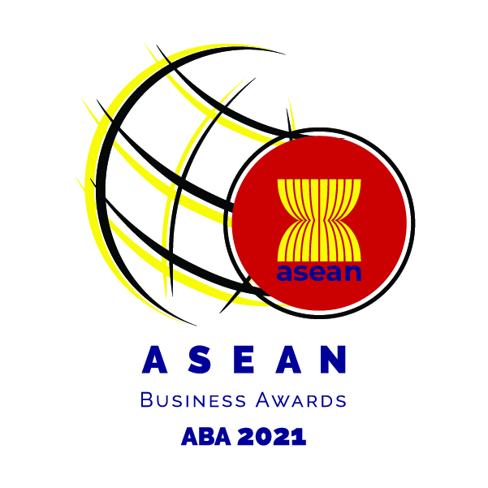

SME-GROWTH EXCELLENCE AWARDS REGISTRATION FORM
Name of Organization |  | : |  |  |  | Date
Organization Address |  | : |  |  |  | Listed: | Non-Listed:
Year of Incorporation |  | :
Country of Incorporation |  | : |  |  |  | Signature:
Website |  | :
Contact person |  | :
Title or Position |  | :
Telephone Number |  | :
E-mail |  | :

Instruction: Kindly provide the required information below and attach the following:
1. | High-resolution company logo of the nominee.
2. | Kindly provide financial information (General Information Sheet, 3-year Audited Financial Statements, 3-year Financial Statements converted to USD, and other financial information, as needed).
3. | Kindly provide information within the allowed number of characters (including spaces) with necessary supporting documents as required. Information with no supporting documents provided where it was required will be considered invalid.
Note: SME nominees may join in more than one category

Description of the Award:
Have achieved outstanding commercial success and sustainable growth will be honoured with this award. Submissions should demonstrate initiative and a willingness to undertake bold new ventures and include evidence of sustainable growth and commercial success to levels that are outstanding for the size of the applicant's operations.

Eligibility
Small and Medium Size Enterprise (SMEs) 1. Be an ASEAN-incorporated enterprise with at least 40% ASEAN-owned equity, and preferably (not compulsory) with operational presence in two or more ASEAN countries; 2. Be in operations for a minimum of three years; 3. Preferably have two years of financial statements (audited or non-audited). Audited financial statements should be provided for the growth criteria; and 4. SMEs participating in ABA will need to comply with the SME Criteria defined by respective ASEAN Member States.

PART I
Details of Nominee
Nominee Background (Required: Please provide documents submited to regulatory bodies as support)
A. | Business Description (maximum of 150 words)

B. | Key Personnel (Registration Contact and Nominee Details) |  | Chief Executive Officer or equivalent |  | Chief Financial Officer or equivalent:
 |  |  | Name: |  | Name:
 |  |  | Contact: |  | Contact:
C. | Individual Shareholders (if applicable) |  | Name of Shareholder | Nationality | Designation in Organization |  | Percentage of Shareholding
 |  |  | 1.
 |  |  | 2.
 |  |  | 3.
 |  |  | 4.
 |  |  | 5.

D. | Company Shareholders (if applicable) |  | Name of Shareholder | Country of Registration | Business Activity |  | Percentage of Shareholding
 |  |  | 1.
 |  |  | 2.
 |  |  | 3.
 |  |  | 4.
 |  |  | 5.

PART II
Growth
Nominee's initiative and willingness to undertake new ventures to achieve commercial success and sustainable growth. (Required: Kindly provide supporting documents for the following information.)
A. Company's financial performance over a minimum of 3 financial years
1. % Profit Growth for each year |  |  |  | 2018
 |  |  |  | 2019
 |  |  |  | 2020
2. % Growth in Annual Revenue for each year |  |  |  | 2018
 |  |  |  | 2019
 |  |  |  | 2020
3. % Capital Growth for each year |  |  |  | 2018
 |  |  |  | 2019
 |  |  |  | 2020
B. Company's growth rate
1. % Number of employees increase for each year |  |  |  | 2018
 |  |  |  | 2019
 |  |  |  | 2020
2. % Number of new branches / subsidiaries established inside the country or overseas last year.
C. Company's provisions in place for longer term sustainability
1. Market size in the next three to five years |  |  |  | 2021
 |  |  |  | 2022
 |  |  |  | 2023
 |  |  |  | 2024
 |  |  |  | 2025
2. Market share of the company over other competitors in the same industry and in the next three to five years |  |  |  | 2021
 |  |  |  | 2022
 |  |  |  | 2023
 |  |  |  | 2024
 |  |  |  | 2025
3. Market supply & demand in the next three to five years |  |  |  | 2021
 |  |  |  | 2022
 |  |  |  | 2023
 |  |  |  | 2024
 |  |  |  | 2025
4. Illustrate the company's capability to take advantage on increasing its market share and meet market demand
D. Company's plans for future/further expansion into ASEAN & international markets
1. Demonstrate the company's plans to have new branches, subsidiaries, joint ventures, partnerships, or other future plans to expand product distribution and company operations in other ASEAN countries in the next 5 years

2. Illustrate the company's expansion plans and the corresponding number of employees they expect to recruit in the next 5 years

Declaration
To be completed only by the Chief Executive Officer / Managing Director / Chief Financial Officer or equivalent) of the organisation nominated for this Awards:
I hereby declare that the facts stated in this application together with the accompanying information are true and correct, to the best of my knowledge, and satisfy the eligibility criteria. I declare that the information provided in this information form and the attached profile is true and correct. I understand that the information I provide in this application will be used by the independent panel of judges in selecting awards recipients and I consent to the use of such information for that purpose. I further consent to the use of such information for research, educational or any purpose as long as such use does not divulge my identity or the identity of the company. If I am selected as a finalist or award recipient, I hereby authorize the release and use, in connection with the ASEAN Business Awards 2021, of my name, my company's name, non-financial information, photographs, video or audio recordings of me in any form of media, from whatever source.

Name: ___________________________________________________ Designation: _______________________________ Signature: _________________________________________________ Date: ____________________________________

Checklist
Before you send in your application form, please ensure these items are followed and completed:

Copy of the Registration Certificate of the Company
Company Profile
Last 3-years Audited Financial Statements (if unaudited, provide statement of management account)
Last 3-years audited financial statements converted to USD
Copy of the Passport or National Identification Card
Copy of latest Annual Reports if available.
Letter of Certification that the Company has never been subjected to any criminal offences signed by the Chief Executive Officer/ Managing Director/ Chief Financial Officer or equivalent
Entry submission, with supporting documents and materials, should be in English

Send your applications to www.aseanbacbrunei.com.bn under ABA 2021 Applications page. Please use the format below when uploading your supporting documents: File name: Company Name_ABA2021Application Kindly submit your applications before 30th September 2021

